actiCAP snap for LiveAmp 8
Version (Form) V002 07/2020

LiveAmp 8 Order Addendum for actiCAP snap (active electrodes)

 | Cap Details |  | Article Number: CMA-8

 | Number of Caps

 |  |  | Cap 1 | Cap 2 | Cap 3 | Cap 4 | Cap 5 | Cap 6

 | Cap Size(s)
 | If no size(s) selected, size 58 will be delivered

 | Cap Cut(s)
 | If no cut(s) selected, caucasian will be delivered

 | Cap Fabric(s)
 | If no fabric(s) selected, high precision (for sizes 52-64) and high comfort (for sizes < 52) will be delivered

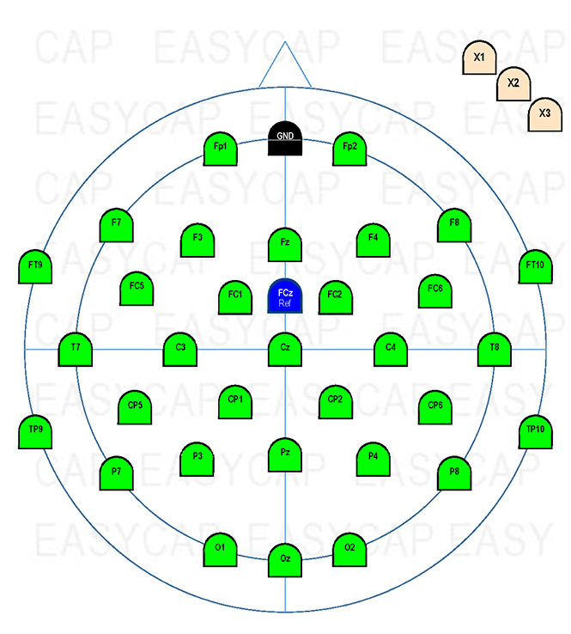
 | Electrode Positions

 | Channel | Electrode Position
 | 1
 | 2
 | 3
 | 4
 | 5
 | 6
 | 7
 | 8

Brain Products GmbH - Zeppelinstrasse 7 - 82205 Gilching, Germany www.brainproducts.com

 |  |  |  |  | Liste |  | Gültig |  | Drop Down
 |  |  |  |  | Fp1 |  | 2 |  | Fp1
 |  |  |  |  | Fp2 |  | 3 |  | Fp2
 |  |  |  |  | F7 |  | 4 |  | F7
 |  |  |  |  | F3 |  | 5 |  | F3
 |  |  |  |  | Fz |  | 6 |  | Fz
 |  |  |  |  | F4 |  | 7 |  | F4
 |  |  |  |  | F8 |  | 8 |  | F8
 |  |  |  |  | FT9 |  | 9 |  | FT9
 |  |  |  |  | FC5 |  | 10 |  | FC5
 |  |  |  |  | FC1 |  | 11 |  | FC1
 |  |  |  |  | FC2 |  | 12 |  | FC2
 |  |  |  |  | FC6 |  | 13 |  | FC6
 |  |  |  |  | FT10 |  | 14 |  | FT10
 |  |  |  |  | T7 |  | 15 |  | T7
 |  |  |  |  | C3 |  | 16 |  | C3
 |  |  |  |  | Cz |  | 17 |  | Cz
 |  |  |  |  | C4 |  | 18 |  | C4
 |  |  |  |  | T8 |  | 19 |  | T8
 |  |  |  |  | CP5 |  | 20 |  | CP5
 |  |  |  |  | CP1 |  | 21 |  | CP1
 |  |  |  |  | CP2 |  | 22 |  | CP2
 |  |  |  |  | CP6 |  | 23 |  | CP6
 |  |  |  |  | TP9 |  | 24 |  | TP9
 |  |  |  |  | P7 |  | 25 |  | P7
 |  |  |  |  | P3 |  | 26 |  | P3
 |  |  |  |  | Pz |  | 27 |  | Pz
 |  |  |  |  | P4 |  | 28 |  | P4
 |  |  |  |  | P8 |  | 29 |  | P8
 |  |  |  |  | TP10 |  | 30 |  | TP10
 |  |  |  |  | O1 |  | 31 |  | O1
 |  |  |  |  | Oz |  | 32 |  | Oz
 |  |  |  |  | O2 |  | 33 |  | O2

