LiveCap for LiveAmp 8
Version (Form) V002 07/2020

LiveAmp 8 Order Addendum for LiveCap (passive electrodes)

 | Cap Details |  | Article Number: LC-8

 | Number of Caps

 |  |  | Cap 1 | Cap 2 | Cap 3 | Cap 4 | Cap 5 | Cap 6

 | Cap Size(s)
 | If no size(s) selected, size 58 will be delivered

 | Cap Cut(s)
 | If no cut(s) selected, caucasian will be delivered

 | Cap Fabric(s)
 | If no fabric(s) selected, high comfort will be delivered

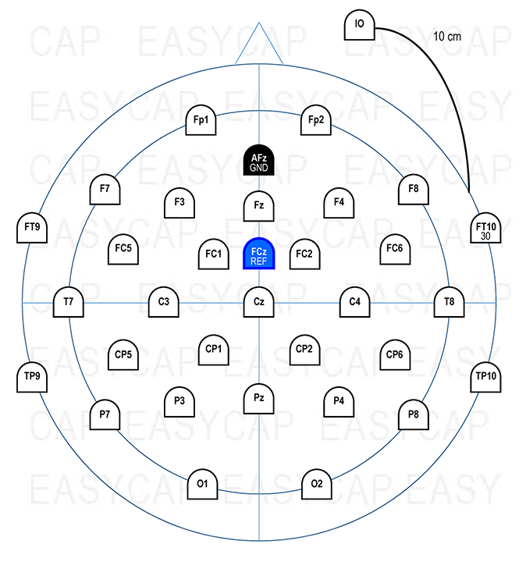
 | Electrode Positions

 | Channel | Electrode Position
 | 1
 | 2
 | 3
 | 4
 | 5
 | 6
 | 7
 | 8

 | Note:
 | Bipolar channels will be implemented as 1.5 mm safety socket male connectors. Each bipolar channel will have a + and - input connector. The corresponding physical channel is equal to the number of the BIP descriptor (e.g. BIP25 is connected to physical channel 25 of the amplifier). Please be aware that additional electrodes with 1.5 mm safety socket female connector will be needed to record bipolar signals. These need to be ordered separately.

Brain Products GmbH - Zeppelinstrasse 7 - 82205 Gilching, Germany www.brainproducts.com

 |  |  |  |  | Liste |  | Gültig |  | Drop Down
 |  |  |  |  | Fp1 |  | 2 |  | Fp1
 |  |  |  |  | Fp2 |  | 3 |  | Fp2
 |  |  |  |  | F7 |  | 4 |  | F7
 |  |  |  |  | F3 |  | 5 |  | F3
 |  |  |  |  | Fz |  | 6 |  | Fz
 |  |  |  |  | F4 |  | 7 |  | F4
 |  |  |  |  | F8 |  | 8 |  | F8
 |  |  |  |  | FT9 |  | 9 |  | FT9
 |  |  |  |  | FC5 |  | 10 |  | FC5
 |  |  |  |  | FC1 |  | 11 |  | FC1
 |  |  |  |  | FC2 |  | 12 |  | FC2
 |  |  |  |  | FC6 |  | 13 |  | FC6
 |  |  |  |  | FT10 |  | 14 |  | FT10
 |  |  |  |  | T7 |  | 15 |  | T7
 |  |  |  |  | C3 |  | 16 |  | C3
 |  |  |  |  | Cz |  | 17 |  | Cz
 |  |  |  |  | C4 |  | 18 |  | C4
 |  |  |  |  | T8 |  | 19 |  | T8
 |  |  |  |  | CP5 |  | 20 |  | CP5
 |  |  |  |  | CP1 |  | 21 |  | CP1
 |  |  |  |  | CP2 |  | 22 |  | CP2
 |  |  |  |  | CP6 |  | 23 |  | CP6
 |  |  |  |  | TP9 |  | 24 |  | TP9
 |  |  |  |  | P7 |  | 25 |  | P7
 |  |  |  |  | P3 |  | 26 |  | P3
 |  |  |  |  | Pz |  | 27 |  | Pz
 |  |  |  |  | P4 |  | 28 |  | P4
 |  |  |  |  | P8 |  | 29 |  | P8
 |  |  |  |  | TP10 |  | 30 |  | TP10
 |  |  |  |  | O1 |  | 31 |  | O1
 |  |  |  |  | Oz |  | 32 |  | Oz
 |  |  |  |  | O2 |  | 33 |  | O2
 |  |  |  |  | BIP25 |  | 34 |  | BIP25
 |  |  |  |  | BIP26 |  | 35 |  | BIP26
 |  |  |  |  | BIP27 |  | 36 |  | BIP27
 |  |  |  |  | BIP28 |  | 37 |  | BIP28
 |  |  |  |  | BIP29 |  | 38 |  | BIP29
 |  |  |  |  | BIP30 |  | 39 |  | BIP30
 |  |  |  |  | BIP31 |  | 40 |  | BIP31
 |  |  |  |  | BIP32 |  | 41 |  | BIP32

